Scenario
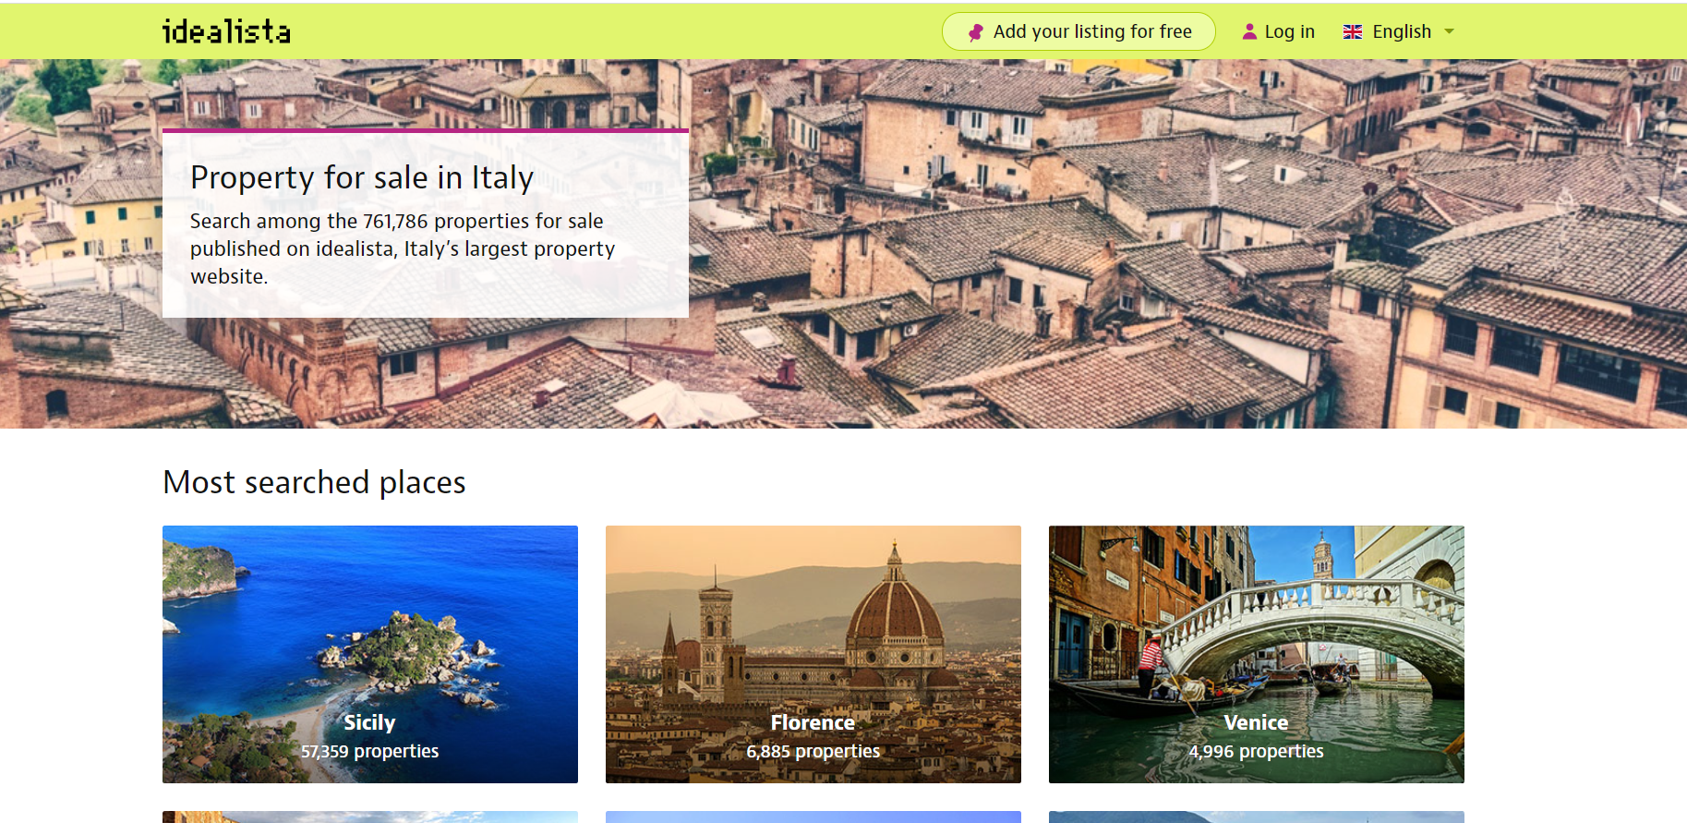
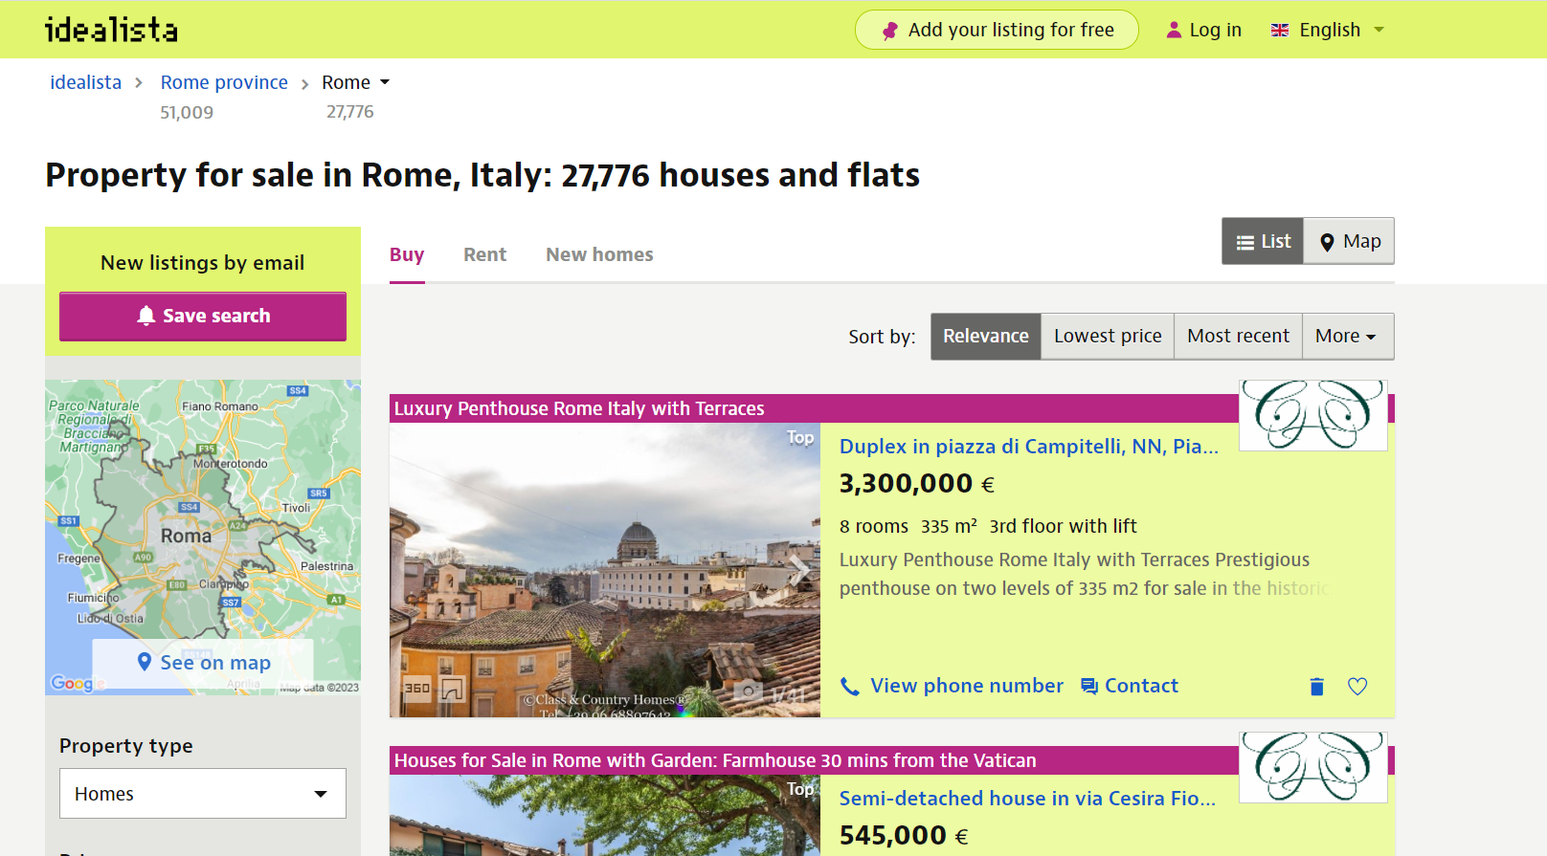

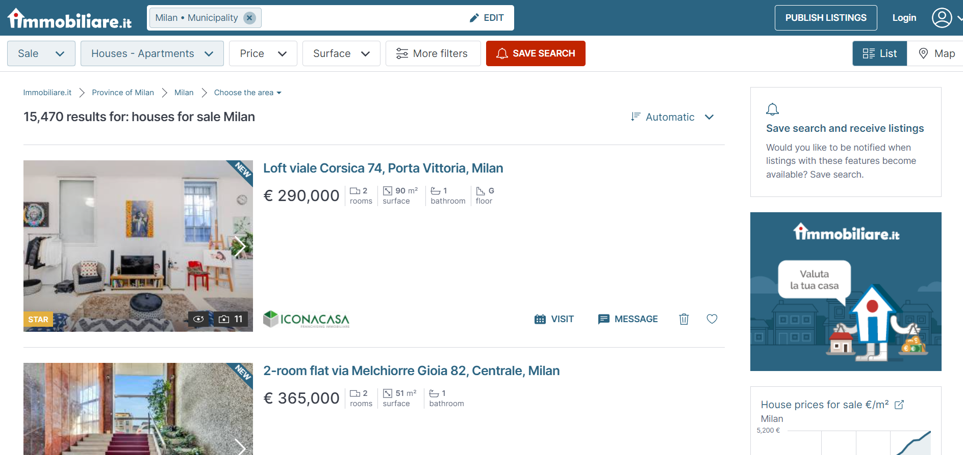

Annual Trend - To do
All categories | https://trends.google.it/trends/?geo&hl=en
 | https://trends.google.it/trends/explore?geo=GB&q=%2Fm%2F06k1r&hl=en-US

Numbers represent search interest relative to the highest point on the chart for the given region and time.
A value of 100 is the peak popularity for the term. A value of 50 means that the term is half as popular. A score of 0 means there was not enough data for this term.

Interest over the year
Week | Properties for sale | Month | Year |  |  | average 2022
2017-12-17 | 29 | 12 | 2017 | JAN | 1 | 75
2017-12-24 | 38 | 12 | 2017 | FEB | 2 | 81
2017-12-31 | 43 | 12 | 2017 | MAR | 3 | 81
2018-01-07 | 47 | 1 | 2018 | APR | 4 | 79
2018-01-14 | 48 | 1 | 2018 | MAY | 5 | 73
2018-01-21 | 49 | 1 | 2018 | JUN | 6 | 72
2018-01-28 | 50 | 1 | 2018 | JUL | 7 | 75
2018-02-04 | 46 | 2 | 2018 | AUG | 8 | 73
2018-02-11 | 47 | 2 | 2018 | SEP | 9 | 70
2018-02-18 | 52 | 2 | 2018 | OCT | 10 | 68
2018-02-25 | 45 | 2 | 2018 | NOV | 11 | 61
2018-03-04 | 45 | 3 | 2018 | DEC | 12 | 55
2018-03-11 | 48 | 3 | 2018
2018-03-18 | 47 | 3 | 2018
2018-03-25 | 43 | 3 | 2018
2018-04-01 | 50 | 4 | 2018
2018-04-08 | 48 | 4 | 2018
2018-04-15 | 48 | 4 | 2018
2018-04-22 | 49 | 4 | 2018
2018-04-29 | 46 | 4 | 2018
2018-05-06 | 47 | 5 | 2018
2018-05-13 | 48 | 5 | 2018
2018-05-20 | 49 | 5 | 2018
2018-05-27 | 41 | 5 | 2018
2018-06-03 | 46 | 6 | 2018
2018-06-10 | 46 | 6 | 2018
2018-06-17 | 41 | 6 | 2018
2018-06-24 | 44 | 6 | 2018
2018-07-01 | 48 | 7 | 2018
2018-07-08 | 46 | 7 | 2018
2018-07-15 | 47 | 7 | 2018
2018-07-22 | 45 | 7 | 2018
2018-07-29 | 49 | 7 | 2018
2018-08-05 | 50 | 8 | 2018
2018-08-12 | 43 | 8 | 2018
2018-08-19 | 54 | 8 | 2018
2018-08-26 | 56 | 8 | 2018
2018-09-02 | 55 | 9 | 2018
2018-09-09 | 54 | 9 | 2018
2018-09-16 | 53 | 9 | 2018
2018-09-23 | 55 | 9 | 2018
2018-09-30 | 53 | 9 | 2018
2018-10-07 | 55 | 10 | 2018
2018-10-14 | 52 | 10 | 2018
2018-10-21 | 51 | 10 | 2018
2018-10-28 | 53 | 10 | 2018
2018-11-04 | 46 | 11 | 2018
2018-11-11 | 48 | 11 | 2018
2018-11-18 | 45 | 11 | 2018
2018-11-25 | 36 | 11 | 2018
2018-12-02 | 40 | 12 | 2018
2018-12-09 | 38 | 12 | 2018
2018-12-16 | 34 | 12 | 2018
2018-12-23 | 39 | 12 | 2018
2018-12-30 | 53 | 12 | 2018
2019-01-06 | 58 | 1 | 2019
2019-01-13 | 56 | 1 | 2019
2019-01-20 | 56 | 1 | 2019
2019-01-27 | 58 | 1 | 2019
2019-02-03 | 56 | 2 | 2019
2019-02-10 | 51 | 2 | 2019
2019-02-17 | 59 | 2 | 2019
2019-02-24 | 58 | 2 | 2019
2019-03-03 | 55 | 3 | 2019
2019-03-10 | 59 | 3 | 2019
2019-03-17 | 58 | 3 | 2019
2019-03-24 | 59 | 3 | 2019
2019-03-31 | 56 | 3 | 2019
2019-04-07 | 56 | 4 | 2019
2019-04-14 | 52 | 4 | 2019
2019-04-21 | 60 | 4 | 2019
2019-04-28 | 60 | 4 | 2019
2019-05-05 | 53 | 5 | 2019
2019-05-12 | 54 | 5 | 2019
2019-05-19 | 52 | 5 | 2019
2019-05-26 | 52 | 5 | 2019
2019-06-02 | 54 | 6 | 2019
2019-06-09 | 53 | 6 | 2019
2019-06-16 | 53 | 6 | 2019
2019-06-23 | 51 | 6 | 2019
2019-06-30 | 52 | 6 | 2019
2019-07-07 | 49 | 7 | 2019
2019-07-14 | 52 | 7 | 2019
2019-07-21 | 56 | 7 | 2019
2019-07-28 | 52 | 7 | 2019
2019-08-04 | 55 | 8 | 2019
2019-08-11 | 53 | 8 | 2019
2019-08-18 | 55 | 8 | 2019
2019-08-25 | 61 | 8 | 2019
2019-09-01 | 61 | 9 | 2019
2019-09-08 | 58 | 9 | 2019
2019-09-15 | 60 | 9 | 2019
2019-09-22 | 60 | 9 | 2019
2019-09-29 | 62 | 9 | 2019
2019-10-06 | 62 | 10 | 2019
2019-10-13 | 62 | 10 | 2019
2019-10-20 | 61 | 10 | 2019
2019-10-27 | 56 | 10 | 2019
2019-11-03 | 60 | 11 | 2019
2019-11-10 | 55 | 11 | 2019
2019-11-17 | 56 | 11 | 2019
2019-11-24 | 50 | 11 | 2019
2019-12-01 | 48 | 12 | 2019
2019-12-08 | 44 | 12 | 2019
2019-12-15 | 40 | 12 | 2019
2019-12-22 | 50 | 12 | 2019
2019-12-29 | 59 | 12 | 2019
2020-01-05 | 64 | 1 | 2020
2020-01-12 | 66 | 1 | 2020
2020-01-19 | 66 | 1 | 2020
2020-01-26 | 65 | 1 | 2020
2020-02-02 | 68 | 2 | 2020
2020-02-09 | 67 | 2 | 2020
2020-02-16 | 68 | 2 | 2020
2020-02-23 | 56 | 2 | 2020
2020-03-01 | 61 | 3 | 2020
2020-03-08 | 29 | 3 | 2020
2020-03-15 | 28 | 3 | 2020
2020-03-22 | 28 | 3 | 2020
2020-03-29 | 32 | 3 | 2020
2020-04-05 | 33 | 4 | 2020
2020-04-12 | 43 | 4 | 2020
2020-04-19 | 45 | 4 | 2020
2020-04-26 | 48 | 4 | 2020
2020-05-03 | 56 | 5 | 2020
2020-05-10 | 72 | 5 | 2020
2020-05-17 | 75 | 5 | 2020
2020-05-24 | 79 | 5 | 2020
2020-05-31 | 87 | 5 | 2020
2020-06-07 | 89 | 6 | 2020
2020-06-14 | 87 | 6 | 2020
2020-06-21 | 84 | 6 | 2020
2020-06-28 | 81 | 6 | 2020
2020-07-05 | 78 | 7 | 2020
2020-07-12 | 79 | 7 | 2020
2020-07-19 | 75 | 7 | 2020
2020-07-26 | 77 | 7 | 2020
2020-08-02 | 70 | 8 | 2020
2020-08-09 | 69 | 8 | 2020
2020-08-16 | 76 | 8 | 2020
2020-08-23 | 84 | 8 | 2020
2020-08-30 | 81 | 8 | 2020
2020-09-06 | 90 | 9 | 2020
2020-09-13 | 81 | 9 | 2020
2020-09-20 | 72 | 9 | 2020
2020-09-27 | 70 | 9 | 2020
2020-10-04 | 71 | 10 | 2020
2020-10-11 | 69 | 10 | 2020
2020-10-18 | 67 | 10 | 2020
2020-10-25 | 63 | 10 | 2020
2020-11-01 | 62 | 11 | 2020
2020-11-08 | 62 | 11 | 2020
2020-11-15 | 66 | 11 | 2020
2020-11-22 | 63 | 11 | 2020
2020-11-29 | 59 | 11 | 2020
2020-12-06 | 60 | 12 | 2020
2020-12-13 | 59 | 12 | 2020
2020-12-20 | 55 | 12 | 2020
2020-12-27 | 78 | 12 | 2020
2021-01-03 | 85 | 1 | 2021
2021-01-10 | 78 | 1 | 2021
2021-01-17 | 89 | 1 | 2021
2021-01-24 | 91 | 1 | 2021
2021-01-31 | 96 | 1 | 2021
2021-02-07 | 88 | 2 | 2021
2021-02-14 | 90 | 2 | 2021
2021-02-21 | 93 | 2 | 2021
2021-02-28 | 86 | 2 | 2021
2021-03-07 | 82 | 3 | 2021
2021-03-14 | 85 | 3 | 2021
2021-03-21 | 94 | 3 | 2021
2021-03-28 | 87 | 3 | 2021
2021-04-04 | 100 | 4 | 2021
2021-04-11 | 98 | 4 | 2021
2021-04-18 | 95 | 4 | 2021
2021-04-25 | 93 | 4 | 2021
2021-05-02 | 85 | 5 | 2021
2021-05-09 | 91 | 5 | 2021
2021-05-16 | 82 | 5 | 2021
2021-05-23 | 79 | 5 | 2021
2021-05-30 | 80 | 5 | 2021
2021-06-06 | 76 | 6 | 2021
2021-06-13 | 73 | 6 | 2021
2021-06-20 | 74 | 6 | 2021
2021-06-27 | 70 | 6 | 2021
2021-07-04 | 73 | 7 | 2021
2021-07-11 | 72 | 7 | 2021
2021-07-18 | 78 | 7 | 2021
2021-07-25 | 70 | 7 | 2021
2021-08-01 | 72 | 8 | 2021
2021-08-08 | 75 | 8 | 2021
2021-08-15 | 78 | 8 | 2021
2021-08-22 | 78 | 8 | 2021
2021-08-29 | 80 | 8 | 2021
2021-09-05 | 84 | 9 | 2021
2021-09-12 | 78 | 9 | 2021
2021-09-19 | 77 | 9 | 2021
2021-09-26 | 79 | 9 | 2021
2021-10-03 | 76 | 10 | 2021
2021-10-10 | 76 | 10 | 2021
2021-10-17 | 70 | 10 | 2021
2021-10-24 | 65 | 10 | 2021
2021-10-31 | 73 | 10 | 2021
2021-11-07 | 68 | 11 | 2021
2021-11-14 | 67 | 11 | 2021
2021-11-21 | 59 | 11 | 2021
2021-11-28 | 59 | 11 | 2021
2021-12-05 | 57 | 12 | 2021
2021-12-12 | 55 | 12 | 2021
2021-12-19 | 49 | 12 | 2021
2021-12-26 | 67 | 12 | 2021
2022-01-02 | 75 | 1 | 2022
2022-01-09 | 73 | 1 | 2022
2022-01-16 | 74 | 1 | 2022
2022-01-23 | 75 | 1 | 2022
2022-01-30 | 80 | 1 | 2022
2022-02-06 | 86 | 2 | 2022
2022-02-13 | 84 | 2 | 2022
2022-02-20 | 77 | 2 | 2022
2022-02-27 | 77 | 2 | 2022
2022-03-06 | 80 | 3 | 2022
2022-03-13 | 78 | 3 | 2022
2022-03-20 | 82 | 3 | 2022
2022-03-27 | 83 | 3 | 2022
2022-04-03 | 78 | 4 | 2022
2022-04-10 | 77 | 4 | 2022
2022-04-17 | 82 | 4 | 2022
2022-04-24 | 79 | 4 | 2022
2022-05-01 | 71 | 5 | 2022
2022-05-08 | 73 | 5 | 2022
2022-05-15 | 72 | 5 | 2022
2022-05-22 | 71 | 5 | 2022
2022-05-29 | 76 | 5 | 2022
2022-06-05 | 74 | 6 | 2022
2022-06-12 | 66 | 6 | 2022
2022-06-19 | 73 | 6 | 2022
2022-06-26 | 73 | 6 | 2022
2022-07-03 | 71 | 7 | 2022
2022-07-10 | 75 | 7 | 2022
2022-07-17 | 75 | 7 | 2022
2022-07-24 | 78 | 7 | 2022
2022-07-31 | 75 | 7 | 2022
2022-08-07 | 67 | 8 | 2022
2022-08-14 | 67 | 8 | 2022
2022-08-21 | 77 | 8 | 2022
2022-08-28 | 80 | 8 | 2022
2022-09-04 | 71 | 9 | 2022
2022-09-11 | 69 | 9 | 2022
2022-09-18 | 72 | 9 | 2022
2022-09-25 | 68 | 9 | 2022
2022-10-02 | 68 | 10 | 2022
2022-10-09 | 67 | 10 | 2022
2022-10-16 | 69 | 10 | 2022
2022-10-23 | 68 | 10 | 2022
2022-10-30 | 67 | 10 | 2022
2022-11-06 | 68 | 11 | 2022
2022-11-13 | 62 | 11 | 2022
2022-11-20 | 55 | 11 | 2022
2022-11-27 | 57 | 11 | 2022
2022-12-04 | 56 | 12 | 2022
2022-12-11 | 54 | 12 | 2022

Google Analytics DB - to do
Click
Keywords | Click | Cost | CPC | Users | Sessions | Bounce Rate | Pages/Sessions | % Goal Sessions | Goal | COST PER LEAD
house value calculator | 11,258 | 12,817 € | 1.14 | 1142 | 1203 | 0.67% | 4.74 | 1% | 10
house valuations | 9,666 | 17,179 € | 1.78 | 3520 | 3798 | 0.34% | 6.12 | 1% | 43
BRAND NAME | 7,368 | 1,778 € | 0.24 | 637 | 822 | 0.24% | 6.01 | 0% | 2
property valuation | 6,846 | 14,581 € | 2.13 | 2026 | 2217 | 0.41% | 5.94 | 2% | 44
property valuation online | 4,039 | 11,461 € | 2.84 | 1119 | 1221 | 0.41% | 7.22 | 2% | 26
value property | 2,937 | 3,648 € | 1.24 | 783 | 845 | 0.12% | 6.34 | 1% | 8
propery evaluation | 2,512 | 2,286 € | 0.91 | 0 | 0 | 0.00% | 0.00 | 0% | 0
valuation [competitor's brand name] | 2,437 | 4,230 € | 1.74 | 2043 | 2201 | 0.41% | 5.68 | 1% | 25
Home value eestimatetor | 2,219 | 6,758 € | 3.05 | 543 | 600 | 0.50% | 7.04 | 2% | 10
valuation value home | 1,538 | 1,826 € | 1.19 | 0 | 0 | 0.00% | 0.00 | 0% | 0
how to Calculate property value | 1,193 | 1,346 € | 1.13 | 0 | 0 | 0.00% | 0.00 | 0% | 0
[competitor's brand name].it | 1,185 | 1,230 € | 1.04 | 0 | 0 | 0 | 0 | 0% | 0
how much is your house worth | 1,109 | 2,657 € | 2.40 | 0 | 0 | 0 | 0 | 0% | 0
house valuations roma | 1,059 | 1,428 € | 1.35 | 51 | 51 | 0.019607843137 | 5.8823529412 | 0% | 0
valuation properties napoli | 1,041 | 1,023 € | 0.98 | 2 | 2 | 0 | 2 | 0% | 0
valuation properties | 903 | 2,042 € | 2.26 | 138 | 167 | 0.0059880239521 | 5 | 2% | 4
valuations properties roma | 903 | 896 € | 0.99 | 63 | 64 | 0 | 4.984375 | 0% | 0
valuation properties | 836 | 713 € | 0.85 | 662 | 737 | 0 | 4.2835820896 | 0% | 0
valuation properties | 820 | 1,390 € | 1.70 | 0 | 0 | 0 | 0 | 0% | 0
CPC
valuation home | 634 | 1,757 € | 2.77 | 0 | 0 | 0 | 0 | 0% | 0
BRANDNAME | 627 | 314 € | 0.50 | 177 | 261 | 0.0038314176245 | 5.7088122605 | 0% | 0
house valuations | 586 | 1,458 € | 2.49 | 154 | 169 | 0 | 5.4319526627 | 2% | 3
apartment valuation | 575 | 789 € | 1.37 | 0 | 0 | 0 | 0 | 0% | 0
COMPETITOR 1 BRAND NAME | 546 | 378 € | 0.69 | 0 | 0 | 0 | 0 | 0% | 0
how much is my home worth | 532 | 977 € | 1.84 | 36 | 38 | 0 | 7.9473684211 | 0% | 0
how to Calculatehow value property on line | 510 | 1,856 € | 3.64 | 17 | 18 | 0 | 4.7222222222 | 0% | 0
property valuation torino | 425 | 548 € | 1.29 | 30 | 32 | 0 | 5.625 | 0% | 0
value my property online | 353 | 896 € | 2.54 | 134 | 146 | 0.0068493150685 | 8.1232876712 | 1% | 1
property valuation roma | 316 | 463 € | 1.47 | 11 | 11 | 0 | 5.4545454545 | 0% | 0
property valuation bologna | 311 | 418 € | 1.34 | 16 | 17 | 0 | 6.2352941176 | 0% | 0
property value | 307 | 410 € | 1.34 | 0 | 0 | 0 | 0 | 0% | 0
COMPETITOR 3 BRAND NAME | 283 | 372 € | 1.31 | 0 | 0 | 0 | 0 | 0% | 0
apartment valuation | 257 | 519 € | 2.02 | 0 | 0 | 0 | 0 | 0% | 0
valuation properties cagliari | 255 | 310 € | 1.21 | 0 | 0 | 0 | 0 | 0% | 0
Value your home roma | 254 | 386 € | 1.52 | 0 | 0 | 0 | 0 | 0% | 0
property valuation online for free | 236 | 482 € | 2.04 | 0 | 0 | 0 | 0 | 0% | 0
property valuation Catania | 236 | 206 € | 0.87 | 0 | 0 | 0 | 0 | 0% | 0
valuations properties | 227 | 436 € | 1.92 | 0 | 0 | 0 | 0 | 0% | 0
Home value eestimatetor free | 220 | 551 € | 2.51 | 0 | 0 | 0 | 0 | 0% | 0
house valuations genova | 212 | 183 € | 0.86 | 17 | 18 | 0 | 7.1111111111 | 0% | 0
valuation houses online | 199 | 396 € | 1.99 | 16 | 17 | 0 | 7.2941176471 | 0% | 0
valuation houses | 193 | 327 € | 1.70 | 0 | 0 | 0 | 0 | 0% | 0
house valuations on line | 172 | 287 € | 1.67 | 0 | 0 | 0 | 0 | 0% | 0
apartment valuation roma | 172 | 240 € | 1.39 | 0 | 0 | 0 | 0 | 0% | 0
valuation [competitor's brand name] online | 167 | 295 € | 1.77 | 0 | 0 | 0 | 0 | 0% | 0
Value your home | 164 | 316 € | 1.92 | 0 | 0 | 0 | 0 | 0% | 0
check my propery value online | 138 | 526 € | 3.81 | 48 | 51 | 0 | 7.7254901961 | 2% | 1
COMPETITOR 2 BRAND NAME | 133 | 38 € | 0.29 | 97 | 122 | 0.0081967213115 | 6.8278688525 | 0% | 0
how to sell a house | 131 | 154 € | 1.17 | 0 | 0 | 0 | 0 | 0% | 0
value home | 126 | 377 € | 2.99 | 52 | 55 | 0 | 5.8909090909 | 0% | 0
free house valuations | 125 | 237 € | 1.90 | 0 | 0 | 0 | 0 | 0% | 0
property valuation free online no registration | 117 | 192 € | 1.64 | 0 | 0 | 0 | 0 | 0% | 0
COMPETITOR 4 BRAND NAME | 115 | 59 € | 0.51 | 0 | 0 | 0 | 0 | 0% | 0
apartment valuation online | 112 | 194 € | 1.74 | 0 | 0 | 0 | 0 | 0% | 0
property valuation monza | 105 | 162 € | 1.54 | 6 | 7 | 0 | 4 | 0% | 0
house valuations torino | 104 | 182 € | 1.75 | 7 | 7 | 0 | 8.5714285714 | 0% | 0
property valuation | 96 | 134 € | 1.40 | 88 | 90 | 0 | 5.0444444444 | 0% | 0
value home [competitor's brand name] | 92 | 117 € | 1.27 | 0 | 0 | 0 | 0 | 0% | 0
valuations properties online | 87 | 124 € | 1.42 | 0 | 0 | 0 | 0 | 0% | 0
valuation properties a | 83 | 193 € | 2.32 | 0 | 0 | 0 | 0 | 0% | 0
house valuations napoli | 67 | 92 € | 1.37 | 1 | 1 | 0 | 2 | 0% | 0
how to sell a property | 67 | 72 € | 1.07 | 0 | 0 | 0 | 0 | 0% | 0
property valuation free no registration | 63 | 82 € | 1.31 | 0 | 0 | 0 | 0 | 0% | 0
value home monza | 60 | 94 € | 1.57 | 14 | 16 | 0 | 4.625 | 0% | 0
how much is my home worth on line | 53 | 177 € | 3.35 | 32 | 35 | 0 | 9.1428571429 | 3% | 1
evaluator [competitor's brand name] | 32 | 86 € | 2.68 | 0 | 0 | 0 | 0 | 0% | 0
to sell a property | 31 | 48 € | 1.56 | 0 | 0 | 0 | 0 | 0% | 0
COMPETITOR 5 BRAND NAME | 31 | 23 € | 0.75 | 0 | 0 | 0 | 0 | 0% | 0
house valuations bologna | 27 | 34 € | 1.27 | 10 | 10 | 0 | 4.2 | 0% | 0
house worth | 23 | 49 € | 2.13 | 6 | 7 | 0 | 4.5714285714 | 0% | 0
property valuation genova | 23 | 20 € | 0.88 | 0 | 0 | 0 | 0 | 0% | 0
quote properties monza | 22 | 13 € | 0.60 | 1 | 1 | 0 | 2 | 0% | 0
value home online | 19 | 56 € | 2.96 | 18 | 20 | 0 | 8.3 | 10% | 2
[competitor's brand name] apartment valuation roma | 18 | 20 € | 1.14 | 0 | 0 | 0 | 0 | 0% | 0
valuations property | 9 | 20 € | 2.24 | 3 | 4 | 0 | 4 | 0% | 0
value home online | 8 | 22 € | 2.70 | 2 | 2 | 0 | 2 | 0% | 0
property valuation pescara | 8 | 8 € | 0.99 | 0 | 0 | 0 | 0 | 0% | 0
valuation properties online | 7 | 22 € | 3.19 | 0 | 0 | 0 | 0 | 0% | 0
valuation bari | 7 | 14 € | 2.03 | 0 | 0 | 0 | 0 | 0% | 0
how to Calculate home value | 7 | 9 € | 1.31 | 5 | 5 | 0 | 3.2 | 0% | 0
property valuation firenze | 7 | 7 € | 0.99 | 0 | 0 | 0 | 0 | 0% | 0
property valuation modena | 7 | 7 € | 0.97 | 0 | 0 | 0 | 0 | 0% | 0
valuation online apartment | 5 | 11 € | 2.13 | 0 | 0 | 0 | 0 | 0% | 0
COMPETITOR 3 BRAND NAME | 4 | 2 € | 0.57 | 0 | 0 | 0 | 0 | 0% | 0
house valuations monza | 3 | 3 € | 1.12 | 0 | 0 | 0 | 0 | 0% | 0
quote properties parma | 3 | 2 € | 0.52 | 0 | 0 | 0 | 0 | 0% | 0
value home roma | 3 | 1 € | 0.30 | 2 | 2 | 0 | 4 | 0% | 0
property value free roma | 2 | 10 € | 4.94 | 0 | 0 | 0 | 0 | 0% | 0
valuations [competitor's brand name] | 2 | 6 € | 3.17 | 2 | 2 | 0 | 2 | 0% | 0
valuations properties on line | 2 | 6 € | 2.95 | 0 | 0 | 0 | 0 | 0% | 0
[competitor's brand name] value home | 2 | 5 € | 2.55 | 0 | 0 | 0 | 0 | 0% | 0
value home bologna | 2 | 5 € | 2.42 | 1 | 1 | 0 | 8 | 0% | 0
property valuation palermo | 2 | 2 € | 0.96 | 0 | 0 | 0 | 0 | 0% | 0
valuations properties online | 1 | 2 € | 2.17 | 0 | 0 | 0 | 0 | 0% | 0
house valuations free | 1 | 2 € | 1.68 | 0 | 0 | 0 | 0 | 0% | 0
COMPETITOR 5 BRAND NAME | 1 | 1 € | 0.54 | 0 | 0 | 0 | 0 | 0% | 0
property valuation napoli | 1 | 0 € | 0.48 | 0 | 0 | 0 | 0 | 0% | 0
value eestimatetor value property | 0 | - € | 0.00 | 3 | 3 | 0 | 16 | 0% | 0
estimate apartment | 0 | - € | 0.00 | 1 | 1 | 0 | 2 | 0% | 0

